ML100K
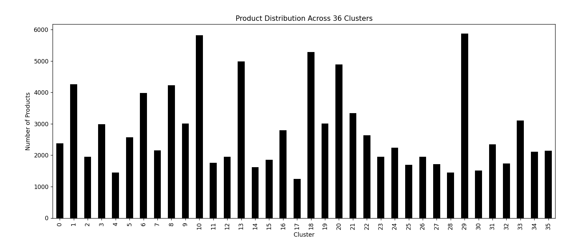
These results are collected from F:\Thesis Supervised\Year 2023\NZD\Python NZD1\Amna RL2\ML100KRLRecommender\ML100K_KMeansClustering.py
 |  | ML100K dataset
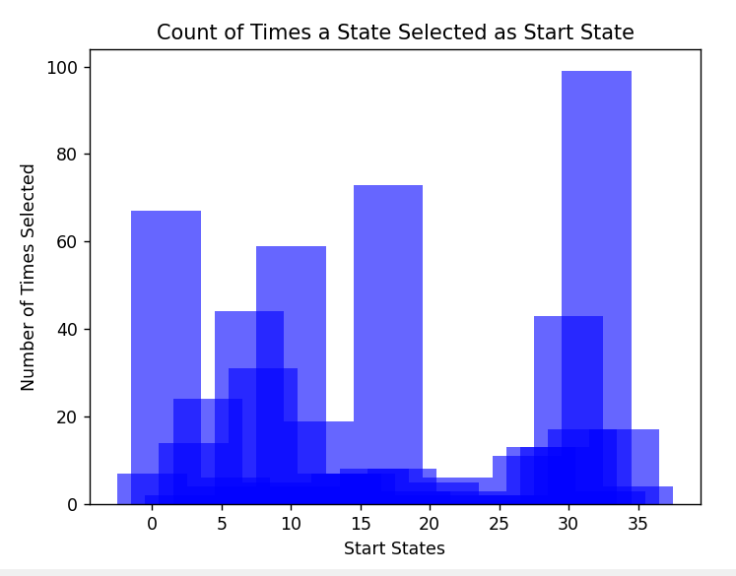
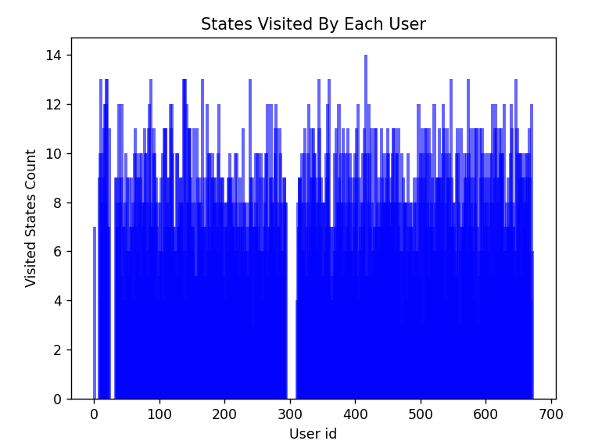
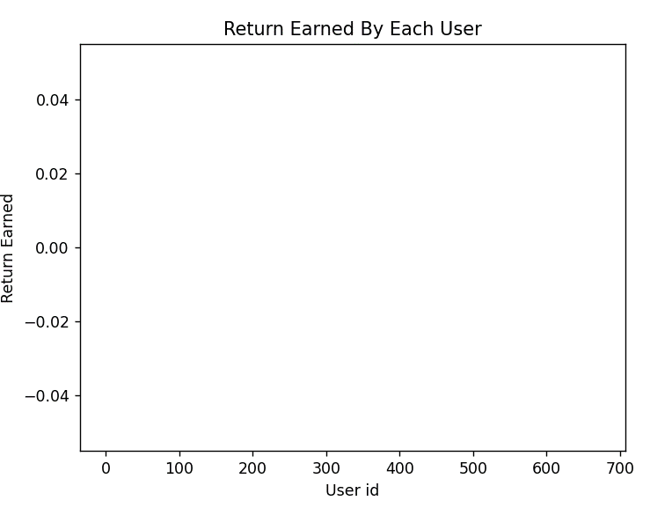

 | unique states visited = {0, 1, 2, 3, 4, 5, 6, 7, 8, 9, 10, 11, 12, 13, 14, 15, 16, 17, 18, 19, 20, 21, 22, 23, 24, 25, 26, 27, 28, 29, 30, 31, 32, 33, 34, 35} and number of unique states = 36
 | unique States with count = 32: 99 ,0: 7 ,22: 6 ,11: 4 ,13: 7 ,21: 5 ,20: 2 ,1: 67 ,8: 31 ,7: 44 ,10: 59 ,17: 73 ,29: 13 ,4: 24 ,12: 19 ,16: 8 ,6: 6 ,5: 4 ,15: 7 ,31: 17 ,34: 17 ,30: 43 ,28: 13 ,23: 3 ,14: 7 ,3: 14 ,18: 8 ,27: 11 ,33: 3 ,25: 2 ,24: 1 ,9: 5 ,35: 4 ,26: 2 ,19: 3 ,2: 2 ,

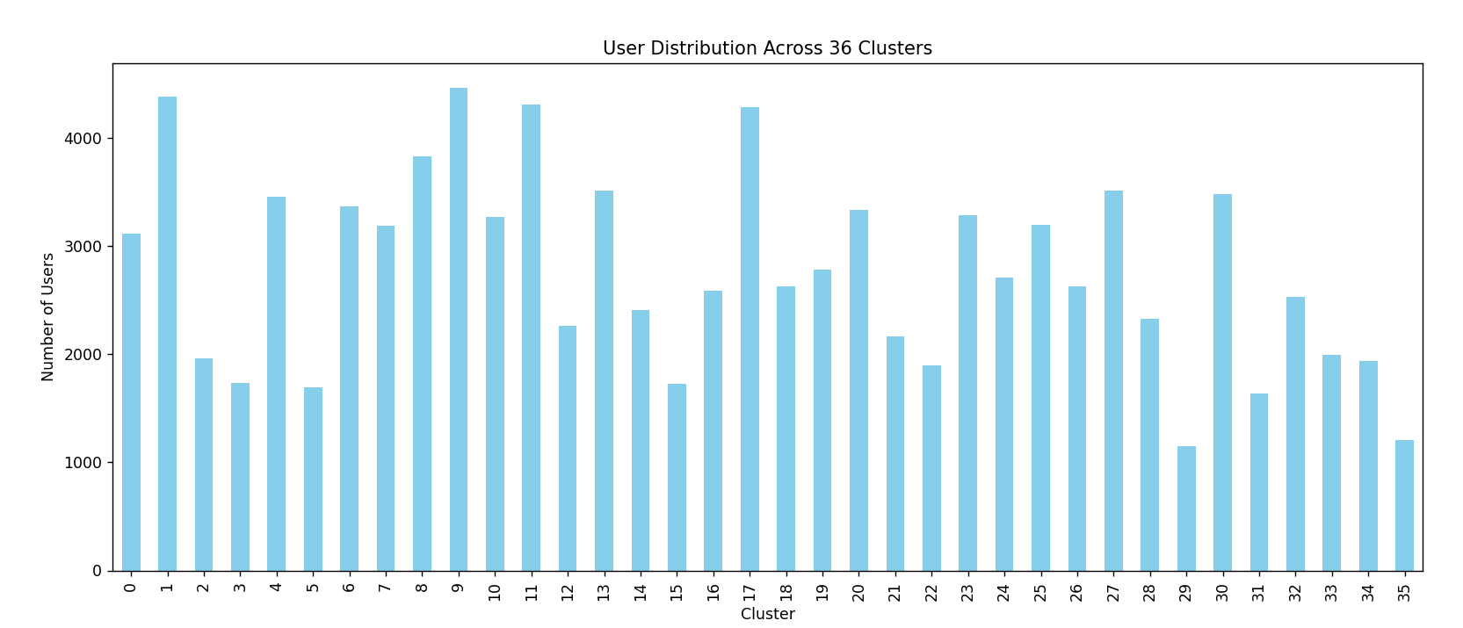
Item Coverage | 98.177365057
Precsion | 1.8226349428
Recall | 9.0089642737
Fmeasure | 2.4889000572
Return | 0
User Coverage | 100

SD
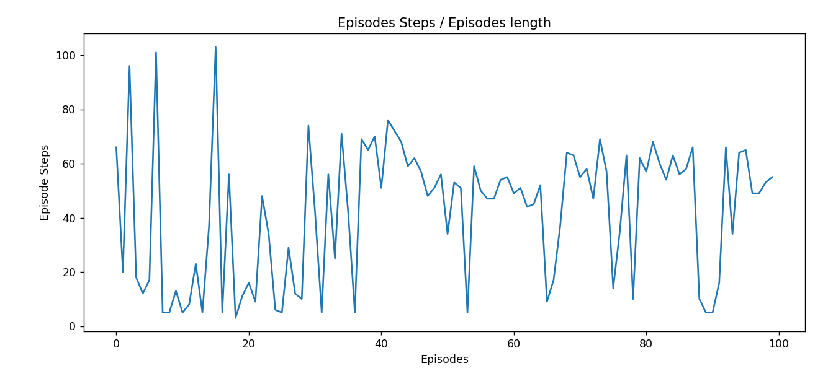
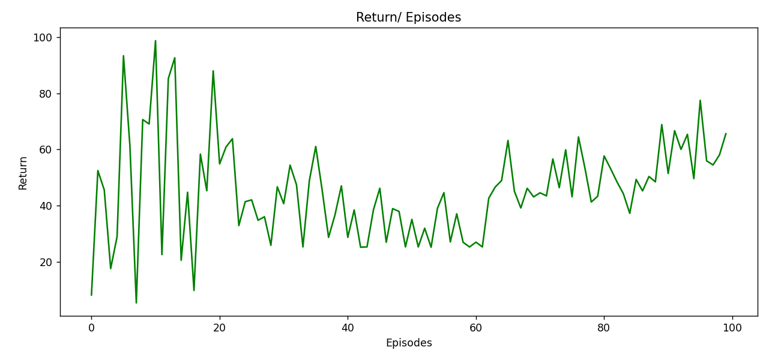
SD OF CLUSTERS ON MOVIELENS
Clustering Algorithm | Standard Deviation
MEANSHIFT | 220
SPECTRAL | 98
HIERARCHICAL | 170
Standard Deviation of Different Clustering Algorithms
BIRCH | 85
GAUSSIAN… | 130
K-Means | 55
DBSCAN | 74
OPTICS | 110

Users and Product distributio
Number of users in each cluster = [25, 19, 16, 16, 20, 17, 12, 23, 24, 22, 17, 20, 19, 21, 18, 18, 17, 26, 14, 22, 22, 16, 19, 17, 21, 24, 18, 18, 21, 19, 16, 14, 19, 17, 10, 14]

Number of products in each cluster = [234, 232, 408, 236, 292, 260, 223, 302, 259, 250, 193, 302, 173, 263, 274, 288, 186, 255, 215, 223, 237, 237, 227, 419, 205, 272, 264, 277, 279, 212, 304, 197, 281, 210, 205, 172] and number of distinct movies = 9066

Clusters | Number of Users | Clusters | Number of Products
0 | 25 | 0 | 234
1 | 19 | 1 | 232
2 | 16 | 2 | 408
3 | 16 | 3 | 236
4 | 20 | 4 | 292
5 | 17 | 5 | 260
6 | 12 | 6 | 223
7 | 23 | 7 | 302
8 | 24 | 8 | 259
9 | 22 | 9 | 250
10 | 17 | 10 | 193
11 | 20 | 11 | 302
12 | 19 | 12 | 173
13 | 21 | 13 | 263
14 | 18 | 14 | 274
15 | 18 | 15 | 288
16 | 17 | 16 | 186
Product Distribution Across 36 Clusters
17 | 26 | 17 | 255
18 | 14 | 18 | 2153
19 | 22 | 19 | 223
20 | 22 | 20 | 237
21 | 16 | 21 | 237
22 | 19 | 22 | 227
23 | 17 | 23 | 419
24 | 21 | 24 | 205
25 | 24 | 25 | 272
26 | 18 | 26 | 264
27 | 18 | 27 | 277
28 | 21 | 28 | 279
29 | 19 | 29 | 212
30 | 16 | 30 | 304
31 | 14 | 31 | 197
32 | 19 | 32 | 281
33 | 17 | 33 | 210
34 | 10 | 34 | 205
35 | 14 | 35 | 172

User Distribution Across 36 Clusters

